Roadmap
GLOBAL ACTION PLAN ON CHILD WASTING
Country Operational Roadmap
Sudan

CHILD WASTING: GLOBAL TARGETS AND NATIONAL PREVALENCE

Global Target (2030) |  | By 2030, reduce wasting prevalence to less than 3% (For Sudan less than 6% by 2030)
Global Target (2025) |  | By 2025, reduce wasting prevalence to less than 5% (For Sudan less than 10% by 2025)
Current National Prevalence (2020) |  | 13.6% (S3M II 2018/2019)

CHILD WASTING: A NATIONAL AND SUB-NATIONAL SNAPSHOT

National | Sub-National (Second Tier Administrative Boundaries) |  |  | Wasting Prevalence
 |  |  |  | Current (%) (In the context of high refugee population, please consider referencing disaggregated data) |  |  |  | 2025 Target (%)

Sudan | Northern State |  |  | 16.46% (S3M II 2018/2019) |  |  |  | 12.46%
 | River Nile State |  |  | 19.59% (S3M II 2018/2019) |  |  |  | 15.59%
 | Khartoum State |  |  | 14.61% (S3M II 2018/2019) |  |  |  | 10.61%
 | Al-Gazeera State |  |  | 10.44% (S3M II 2018/2019) |  |  |  | 6.44%
 | Sennar State |  |  | 10.4% (S3M II 2018/2019) |  |  |  | 6.40%
 | Blue Nile State |  |  | 7.02% (S3M II 2018/2019) |  |  |  | 3.02%
 | White Nile State Refugee population |  |  | 9.56% (S3M II 2018/2019) Refugee population 15.9 (UNHCR SENS-2018) |  |  |  | 5.56% Refugee population 11.9%
 | Red Sea State |  |  | 24.88% (S3M II 2018/2019) |  |  |  | 20.88%
 | Kassala State Refugee population |  |  | 9.4% (S3M II 2018/2019) Refugee population 11.2 (UNHCR SENS-2018) |  |  |  | 5.4% Refugee population 7.2%
 | Al-Gadarif State |  |  | 10.98% (S3M II 2018/2019) |  |  |  | 6.98%
 | North Kordofan State |  |  | 11.75% (S3M II 2018/2019) |  |  |  | 7.75%
 | South Kordofan State Refugee population |  |  | 7.83% (S3M II 2018/2019) Refugee population 17.6% (UNHCR SENS-2018 |  |  |  | 3.83% Refugee population 13.9%
 | West Kordofan State Refugee population |  |  | 12.2% (S3M II 2018/2019) Refugee population 14.9% (UNHCR SENS-2019) |  |  |  | 8.2% Refugee population 10.9%
 | North Darfur State |  |  | 19.11% (S3M II 2018/2019) |  |  |  | 15.11%
 | South Darfur State |  |  | 15.03% (S3M II 2018/2019) |  |  |  | 11.03%
 | East Darfur State Refugee population |  |  | 18.93% (S3M II 2018/2019) Refugee population 13.3% (UNHCR SENS-2018) |  |  |  | 14.86% Refugee population 9.3%
 | West Darfur State |  |  | 10.86% (S3M II 2018/2019) |  |  |  | 6.86%
 | Central Darfur State |  |  | 16.46% (S3M II 2018/2019) |  |  |  | 12.46%

BACKGROUND

Sudan undernutrition rates are among the highest globally, ranking number thirteen, and is 94th out of 107 countries ranked in the Global Hunger Index with a score of 27.2 (Global Hunger Index 2020). Unfortunately, the rates of undernutrition have deteriorated over the last thirty years with underweight increasing from 20 percent to 28 percent and stunting from 32 percent to 36 percent between 1987 and 2018 respectively and the global wasting rate reaching 13.6%. Among the states, the highest prevalence of global wasting by WHZ was recorded in Red Sea, River Nile, Khartoum, and part of Darfur states. Moreover, undernutrition among mothers is high at 8.6 percent, perpetuating the inter-generational cycle of undernutrition. Micronutrient deficiencies are also widespread with 48.1 percent of children under 5 and 29.7 percent of women of reproductive age affected (S3M II; Sudan MICS). Key drivers of undernutrition include a continued complex emergency that is resulting from continued conflicts, internal displacements, food insecurity, economic crisis, lack of access to basic social services, drought and disease. Inadequate dietary intake among infants, young children and women of reproductive age due to high levels of food insecurity and inadequate care or treatment of diseases to support good nutrition for children and women are immediate causes of undernutrition in Sudan. Infections increase nutrient requirements and prevent absorption of consumed food, while poor dietary intake results in reduced immunity to infection. This causes a vicious cycle of disease and undernutrition. The prevalence of diarrhea among children is 24 percent, acute respiratory infection (ARI) 23.7 percent and fever 23.1 percent. Several diseases are endemic in Sudan such as malaria, cholera, dengue fever, and chikungunya with annual outbreaks across several states common. However, the percentage of carers who could identify a total of 5 danger signs related to illness was only 1.5 percent (S3M

GEOGRAPHIC PRIORITY AREAS

UNICEF in collaboration with FMoH, sister UN agencies and relevant humanitarian partners on the ground are planning to implement an integrated multisectoral approach covering both nutrition specific and nutrition sensitive interventions to contribute to improvement of the overall nutrition status through reducing the wasting as well as addressing the main causes of undernutrition where possible. These integrated interventions will target the most vulnerable locations and communities which are facing multiple deprivations of basic services including nutrition, health and WASH, aiming to reduce the inequities for child survival and development. The criteria for selection was: 1. a rate of acute malnutrition at the locality level equal to or above 15% based on the rate reported in S3M II survey (2018/2019) & SENS Survey (2018/2019), and 2. an actual expected acute malnutrition caseload in 2021 above 10,000. Based on these criteria, a total of 53 localities (districts) in 16 states were prioritized, covering 50% of the expected acute malnutrition caseload in the country and 35% of children under age 5, for the simultaneous and coordinated delivery of essential services for the prevention, early detection and treatment of child wasting.

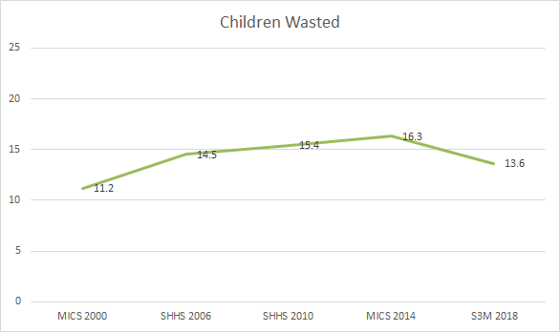
Sudan wasting distribution among U5 children (S3M II) |  |  | Sudan stunting distribution among U5 children (S3M II) | Sudan wasting trend: |  |  | Sudan Stunting trend:
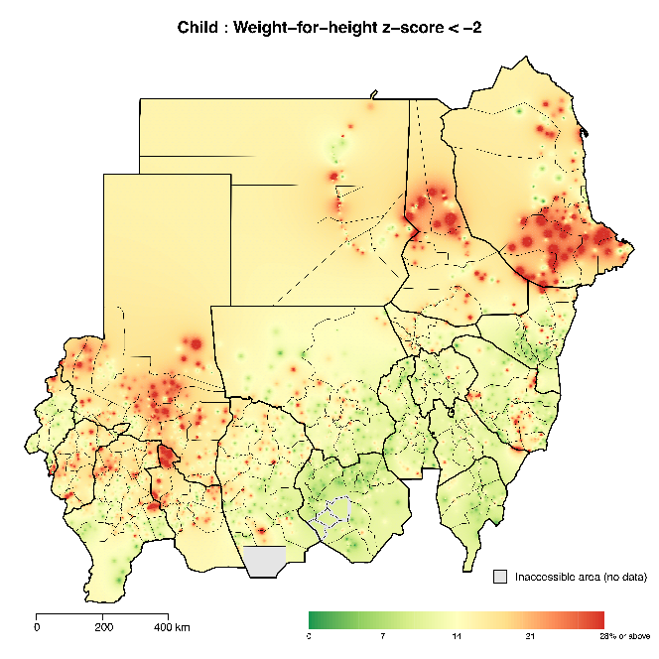
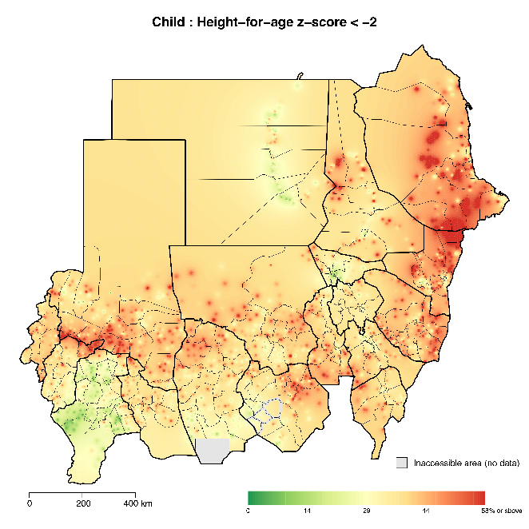
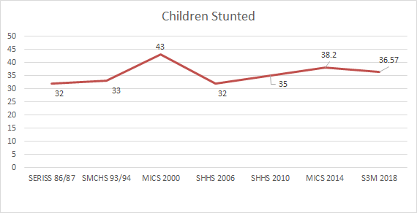

OUTCOME 1. REDUCED LOW BIRTHWEIGHT BY IMPROVING MATERNAL NUTRITION

Global Target (2025) |  | By 2025, reduce low birthweight by 30%
National Target (2025) |  | 27.3% in 2025 (reduction by 15% for Sudan)
Current National % of Low-Birth-Weight newborns (2020 or most recent data) |  | 32.3% (2014 MICS)

OUTCOME 1: OPERATIONAL FRAMEWORK

System | National Policy Commitment |  | Operational Accelerator for: [All states in Sudan ] |  |  |  | Stakeholder Support
 |  |  | Intervention |  | Delivery Platform | Target Population | Responsible |  | Non-Government Support (e.g., UN Agencies, Civil Society, Donors, Academics)
Health | Micronutrients supplementation for pregnant and lactating women (National Nutrition Policy - January 2021; National Micronutrients Strategy 2018-25, National Health Sector Policy 2021-24, 10 in 5 strategic plan) |  | Scale up provision of iron and folic acid and multiple micronutrient supplements for pregnant and lactating women with a special focus on areas with a high level of malnutrition |  | Facility level (PHC) and community level (Community Midwives) | Pregnant & lactating women | Ministry of Health at national, state and locality levels; Commitment: Human resources, technical support, logistics and health facilities |  | UNICEF - procurement of IFA, distribution, logistics related cost & technical support. WFP: multiple micronutrient supplements and logistics. WHO: Technical support UNHCR - logistics & technical support (refugees)
 | Improve the maternal health and nutrition status (National Nutrition Policy - January 2021, National Health Sector Policy 2021-24) |  | Increase the number of pregnant women who attend ANC 4+ times during pregnancy |  | Facility level (PHC and hospitals) and community level (Community Midwives) | Pregnant women | Ministry of Health at national, state and locality levels; Commitment: Human resources, technical support, logistics and health facilities |  | UNICEF, UNHCR & WHO - capacity building, technical support, equipment & logistics
 | Scale up of quality maternal and newborn care services, including EMoNC (RMNAH strategy 2016 to 2020- under revision now, National Nutrition Policy - January 2021) |  | Scale up of quality maternal and newborn care services, including EMoNC and ensure improved access and quality of ANC, delivery and PNC services. |  | Facility level | Pregnant & lactating women & Newborns | Ministry of Health at national, state and locality levels; Commitment: Human resources, technical support, logistics and health facilities. |  | UNICEF, UNFPA, WHO and other partners provides technical, financial and logistical support
 | Implementation of malnutrition preventive services including for pregnant women (National Nutrition Policy - January 2021, National Health Sector Policy 2021-24) |  | Rehabilitation of moderate acute malnourished pregnant and lactating women to prevent morbidity and mortality associated with acute malnutrition |  | PHC & Community | Pregnant & lactating women | Ministry of Health at national, state and locality levels; Commitment: Human resources, health facilities and logistics |  | WFP - procurement of feeding products, distribution & Logistic support. UNCHR - technical guidance and logistical support (refugees)
 | Strengthen and implement appropriate interventions and approaches in schools and communities to prevent early marriage and teenage pregnancy (National Nutrition Policy - January 2021, 10 in 5 strategic plan) |  | Prevention of child marriage and adolescent pregnancy through actions at different levels including passing and enforcing legislation of the minimum age for marriage and community engagement related interventions |  | PHC, Schools & Community | Adolescent girls | Ministry of Health at national, state and locality levels; Commitment: Human resources, technical support, logistics and health facilities. |  | UNICEF, UNHCR, UNFPA, WHO and other partners provides technical, financial and logistical support
Food | Ensure the prevention and treatment of nutrition-related disorders in emergency and non-emergency situations (National Nutrition Policy - January 2021) |  | Prevention of acute malnutrition among pregnant and lactating women through provision of Specialized Nutrition Foods during emergency to minimize the impact of the shocks |  | PHC & Community | Pregnant & lactating women | Ministry of Health at national, state and locality levels; Commitment: Human resources, health facilities and logistics |  | WFP - procurement of Nutrition Foods, distribution & Logistic support. UNHCR - distribution and logistical support (refugees)
 | Prevent, detect, and treat Micronutrient Deficiency Disorders (MDDs) including through food fortification (National Nutrition Policy -January 2021, National Micronutrients Strategy 2018-25, Zero hunger strategic review 2017-30) |  | Strengthen enabling legislative and policy environment for food fortification and implementation of universal salt iodization work plan |  | Health and agriculture system | Households | Ministry of Health, Ministry of Agriculture, Ministry of Industry, Ministry of Commerce; Commitment: Technical input for the design of micronutrient fortification programmes, leadership, coordination |  | WFP, UNICEF, WHO, FAO, UNHCR - Technical support.
Social Protection | Strengthen and support inclusive social protection for vulnerable households to improve the health and nutrition status (National Nutrition Policy - January 2021, National Health Sector Policy 2021-24, Zero hunger strategic review 2017-30) |  | Support convergence between nutrition and social protection programmes to enable vulnerable adolescent girls and women to access services and nutritious diet |  | Health and social protection system | Adolescent girls, women of reproductive age | Ministry of Health, Ministry of Social Development; Commitment: coordination, technical inputs |  | UNICEF, WFP & UNHCR - Technical support

OUTCOME 2. IMPROVED CHILD HEALTH BY IMPROVING ACCESS TO PRIMARY HEALTH CARE, WATER, SANITATION AND HYGIENE SERVICES AND ENHANCED FOOD SAFETY

Global Target (2030) |  | By 2030, achieve universal health coverage, including access to quality essential health-care services for all
National Target (2025) |  | 70% ( Estimated based on a projection of 41% in 2015 & 44% in 2017)
Current National Universal Health Coverage Index (2020 or most recent data) |  | 44% (WHO 2017 UHC monitoring process)

OUTCOME 2: OPERATIONAL FRAMEWORK

System | National Policy Commitment |  | Operational Accelerator for: [All states in Sudan ] |  |  |  | Stakeholder Support
 |  |  | Intervention |  | Delivery Platform | Target Population | Responsible |  | Non-Government Support (e.g., UN Agencies, Civil Society, Donors, Academics)
Health | Strengthen health and nutrition services to reach women before and during pregnancy, adolescent girls and children (National Nutrition Policy - January 2021, National Health Sector Policy 2021-24, 10 in 5 strategic plan) |  | Strengthen the integration of critical nutrition interventions into the package of health services as part of national health plans ensuring better access to services at PHC and community level |  | PHC & community | Girls & boys U5, pregnant & lactating women, adolescent girls | Ministry of Health at national, state and locality level; Commitment: Technical inputs and human resources |  | UNICEF, UNHCR, WFP & WHO - Technical support including capacity building, supplies & logistics
 | Provision of nutrition services through integrated service delivery at primary health care and community (National Nutrition Policy - January 2021, National Health Sector Policy 2021-24, Sudan Zero Hunger Strategic Review 2017-30) |  | Strengthen the integration between CMAM service delivery sites (OTPs/ TSFPs) with the different components of the Primary Health Care package of services at community and facility level |  | PHC & community | Health Staff including CHW | Ministry of Health at national, state and locality level; Commitment: Technical inputs and human resources |  | UNICEF, UNHCR. WFP & WHO - Technical support including capacity building, supplies & logistics
 | Strengthen growth monitoring and promotion activities (National Nutrition Policy - January 2021) |  | Empower caregivers to monitor the healthy growth and the nutrition status of their children through user friendly anthropometric tools |  | PHC & community | Caregivers | Ministry of Health at national, state and locality level; Commitment: Human resources, technical support, capacity development |  | UNICEF, UNHCR, WFP & WHO - technical support and capacity building, supplies & logistics
 | Training on integrated PHC package (National Nutrition Policy - January 2021, National Health Sector Policy 2021-24, 10 in 5 strategic plan) |  | Support capacity development on Primary Health Care package of services to services providers at health facility & community level |  | PHC & community | Health Staff & Community cadre (CHWs, CVs, CMW, mother support groups) | Ministry of Health at national, state and locality level; Commitment: Technical inputs and human resources |  | UNICEF, UNHCR & WHO - Technical support including capacity building
 | Strengthen growth monitoring and promotion activities (National Nutrition Policy - January 2021) |  | Support growth monitoring and growth promotion activities at facility, community and household level and strengthen their integration with IYCF interventions |  | PHC & community | Girls & boys U2 | Ministry of Health at national, state and locality level; Commitment: Human resources and technical support/ capacity development |  | UNICEF, WHO UNHCR - Technical support and capacity building, supplies & logistics.
 | Prevent, detect, and treat Micronutrient Deficiency Disorders (MDDs) including through supplementation (National Nutrition Policy - January 2021; National Micronutrients Strategy 2018-25, National Health Sector Policy 2021-24, 10 in 5 strategic plan, Sudan Zero Hunger Strategic Review 2017-30) |  | Provision of MNPs for girls and boys from 6-59 months to prevent morbidity and mortality associated with micronutrient deficiencies. |  | PHC & community | Girls & boys U5 | Ministry of Health at national, state and locality levels; Commitment: Human resources, health facilities and logistics |  | WFP - procurement of MNPS, distribution & logistic support. UNHCR - technical and logistical support (refugees)
Food | Support healthy food environments for children (National Nutrition Policy - January 2021, Zero hunger strategic review 2017-30) |  | Improve food storage and food handling at household level (food hygiene), with a focus on complementary and supplementary foods for young children |  | Community | Households | Ministry of Agriculture, Ministry of Health (Directorate of Environmental Health and Food Control); Commitment: Human resources, coordination |  | WFP, FAO, UNHCR - Technical support and support for relevant studies.
WASH | Promote and facilitate multi-sectoral coordination and collaboration to address malnutrition at all levels (National Nutrition Policy - January 2021, National Health Sector Policy 2021-24, Sudan Zero Hunger Strategic Review 2017-30) |  | Support innovative approaches to integrate specific nutrition interventions with WASH at community & facility level such as upgrading health facilities with wash services |  | PHC & community | Girls & boys U5 | Ministry of Health, Ministry of Irrigation and Water Resources; Commitment: Coordination; human resources |  | WFP, UNHCR, UNICEF - Technical support, supplies & logistics
 | Promote social behavior supportive to good health such as hand washing and increase access to hygiene especially among children (Zero hunger strategic review 2017-30) |  | Support the provision of hygiene kits for admitted malnourished boys & girls and their families |  | Health System | Malnourished girls & boys U5 | Ministry of Health at national, state and locality level; Commitment: Technical inputs and human resources, logistics |  | UNICEF, UNHCR, WFP & WHO - Technical support and capacity building
 | Promote and facilitate multi-sectoral coordination and collaboration to address malnutrition at all levels (National Nutrition Policy - January 2021, National Health Sector Policy 2021-24, Sudan Zero Hunger Strategic Review 2017-30) |  | Strengthen multisectoral collaboration between WASH and social safety nets. |  | Communities and food assistance platforms | Girls & boys U5, pregnant & lactating women | Ministry of Health, Ministry of Irrigation and Water Resources, Ministry of Social Development; Commitment: Coordination; human resources & technical support |  | UNICEF & UNHCR, WHO, WFP - Technical support, supplies & logistics

OUTCOME 3. IMPROVED INFANT AND YOUNG CHILD FEEDING BY IMPROVING BREASTFEEDING PRACTICES AND CHILDREN’S DIETS IN THE FIRST YEARS OF LIFE
Global Target (2025) |  | By 2025, the rate of exclusive breastfeeding in the first 6 months will increase up to at least 50% and at least 40% of children between 6-23 months consume a minimum diet diversity with an emphasis on animal source foods, pulses, fruits and vegetables
National Target (2025) |  | For Sudan Exclusive breastfeeding to reach 75% in 2025
National % Exclusive breastfeeding under 6 months (2020 or most recent data) |  | 62.3% (S3M II 2018/2019)

OUTCOME 3: OPERATIONAL FRAMEWORK

System | National Policy Commitment |  | Operational Accelerator for: [All states in Sudan ] |  |  |  | Stakeholder Support
 |  |  | Intervention |  | Delivery Platform | Target Population | Responsible |  | Non-Government Support (e.g., UN Agencies, Civil Society, Donors, Academics)
Health | Improve through optimal IYCF practices the infant and young child nutrition status (National Nutrition Policy - January 2021, National IYCF Strategy 2015-24, National Health Sector Policy 2021-24, 10 in 5 strategic plan, Sudan Zero Hunger Strategic Review 2017-30) |  | Promote optimal infant and young children feeding practices including early initiation of breast feeding, exclusive breastfeeding, timely introduction of proper and diversified complementary feeding |  | PHC, community | Pregnant & lactating women | Ministry of Health at National, State and Locality level; Ministry of Commerce; Commitment: Human resources & technical support. |  | UNICEF, UNHCR & WHO - Technical support, capacity building, supplies & logistics
 | Support nurturing care activities to provide optimal nutrition (National Nutrition Policy - January 2021, National IYCF Strategy 2015-24) |  | Support proper integration of Early Childhood Development (ECD) activities & nurturing care into Nutrition Programming including promoting responsive feeding and early stimulation |  | PHC, community | Girls & boys U2 | Ministry of Health, Ministry of Social Development; Commitment: Human resources and technical inputs, capacity development, coordination |  | UNICEF, UNHCR & WHO - Technical support, capacity building, supplies & logistics
 | Adoption and implementation of health and nutrition relevant laws and policies (National Nutrition Policy - January 2021, National Health Sector Policy 2021-24) |  | Support the enforcement of the maternity protection law including ensuring that working mothers are having sufficient maternity leave and lactating hours, so they are able to take care of their infants |  | National level | Pregnant & lactating women | Ministry of Health, Council of Ministers; Commitment: to pass and enforce the law |  | UNICEF, UNHCR, WHO - Technical support
 | Adoption and implementation of health and nutrition relevant laws and policies (National Nutrition Policy - January 2021, National Health Sector Policy 2021-24) |  | Supporting accelerating the endorsement of the national code of marketing of Breast Milk Substitute (BMS) and strengthen the monitoring on BMS code violation and handling BMS donations |  | National level | Girls & boys U2 | Ministry of Health, Council of Ministers; Commitment: to pass and enforce the code |  | UNICEF, UNHCR, WHO - Technical support
Food | Strengthen and support a sustainable healthy food system that ensures an adequate supply of nutritious and safe food and livelihood opportunities at the household level (National Nutrition Policy - January 2021, Zero hunger strategic review 2017-30) |  | Support integrated nutrition, livelihood, resilience-building and food security project that aims to reduce stunting through targeting nutrition specific and nutrition sensitive interventions at key stages of the life cycle |  | Emergency response system | Households | Ministry of Agriculture, Ministry of Social Development, Ministry of Health; Commitment: Technical inputs and leadership, coordination |  | WFP, UNHCR - technical support.
 | Prevent acute malnutrition through provision of appropriate services through the public health system (National Nutrition Policy - January 2021, National Health Sector Policy 2021-24, Zero hunger strategic review 2017-30) |  | Enhancement of child nutrition through blanket feeding distribution response during emergencies to improve nutrition status |  | PHC & community | Girls & boys U5 | Ministry of Health at national, state and locality levels; Commitment: Human resources, health facilities and logistics |  | WFP - procurement of feeding products, distribution & Logistic support. UNHCR - distribution (refugees)
 | Provision of nutrient-diverse complementary feeding (National Nutrition Policy - January 2021, Zero hunger strategic review 2017-30) |  | Provision of specialized nutritious food to girls and boys from 6-23 months to enhance daily intake, and promotion of IYCF through food-based prevention of malnutrition approach |  | PHC & community | Girls & boys U2 | Ministry of Health at national, state and locality levels; Commitment: Human resources, health facilities and logistics |  | WFP - procurement of feeding products, distribution & Logistic support. UNHCR - technical and logistical support (refugees)
Social Protection | Social safety nets/cash transfers for the most vulnerable (National Nutrition Policy - January 2021, Zero hunger strategic review 2017-30) |  | Support the provision of social protection related activities including nutrition-purposed cash assistance to the most vulnerable HHs to contribute to the improvement of the health and nutrition status of children & mothers |  | Social protection system | Mothers/caregivers | Ministry of Health, Ministry of Social Development; Commitment: human resources and technical inputs, coordination |  | UNICEF , UNHCR & WFP - technical support

OUTCOME 4. IMPROVED TREATMENT OF CHILDREN WITH WASTING BY STRENGTHENING HEALTH SYSTEMS AND INTEGRATING TREATMENT INTO ROUTINE PRIMARY HEALTH SERVICES

Global Target (2025) |  | By 2025, we will increase by 50% the coverage of treatment services for children with wasting
National Target (2025) |  | OTP coverage to reach 70% of SAM without complication burden, SC coverage to reach 60% of SAM with complication burden, TSFP coverage to reach 50% out of MAM burden
National Coverage: Management of severe acute malnutrition (SAM) – Inpatient (2020 or most recent data) |  | 38,399 (49%) Children with SAM with medical complications admitted to stabilization centers
National Coverage: Management of severe acute malnutrition (SAM) – Outpatient (2020 or most recent data) |  | 270,000 (52%) children with SAM admitted to outpatient treatment centers
National Coverage: Management of Moderate acute malnutrition (MAM) – Outpatient (2020 or most recent data) |  | 433,264 ( 20.6%) children with MAM admitted to therapeutic supplementary feeding Programme

OUTCOME 4: OPERATIONAL FRAMEWORK

System | National Policy Commitment |  | Operational Accelerator for: [All states in Sudan ] |  |  |  | Stakeholder Support
 |  |  | Intervention |  | Delivery Platform | Target Population | Responsible |  | Non-Government Support (e.g., UN Agencies, Civil Society, Donors, Academics)
Health | Support early detection, referral & management of children with wasting (CMAM Manual and guidelines, National Nutrition Policy - January 2021, Zero hunger strategic review 2017-30, 10 in 5 strategic plan) |  | Strengthen the integration and scale up of early detection and treatment for wasting in U5 girls and boys (Severe and Moderate) including IDPs, refugees and children in inaccessible areas as part of routine primary and secondary health care services |  | PHC, community & HHs - especially under the context of COVID-19 | Girls & boys U5 | Ministry of Health at national, state and locality level; Commitment: human resources and technical support, health facilities |  | UNICEF, WFP, WHO & UNHCR - Technical support and capacity building, supplies & logistics.
 | Support early detection, referral & management of children with wasting (CMAM Manual and guidelines, National Nutrition Policy - January 2021, Zero hunger strategic review 2017-30, 10 in 5 strategic plan) |  | Increase the capacity of community cadre (community nutrition volunteers, mother support group) to identify and refer children with wasting and follow their nutritional status |  | Community | CVs, mother support groups | Ministry of Health at national, state and locality level; Commitment: human resources and technical support / capacity development |  | UNICEF, WFP, WHO & UNHCR - Technical support and capacity building, supplies & logistics.
 | Support early detection, referral & management of children with wasting (CMAM Manual and guidelines, National Nutrition Policy - January 2021, Zero hunger strategic review 2017-30, 10 in 5 strategic plan) |  | Adopt, implement and assess the household MUAC approach (involving Caregivers/ mothers, fathers) to screen and refer cases for early treatment. |  | Community | Caregivers especially under the context of COVID-19 | Ministry of Health at national, state and locality level; Commitment: human resources and technical support / capacity development |  | UNICEF, WFP, WHO, UNHCR - Technical support and capacity building, supplies & logistics.
 | Strengthen reporting & monitoring system (National Nutrition Policy - January 2021, National Health Sector Policy 2021-24, 10 in 5 strategic plan) |  | Strengthen national health information and reporting systems including CMAM database, surveys and nutrition surveillance for improved health & nutrition programming |  | Health system | Health Staff | Ministry of Health at national, state and locality level (HMIS Unit); Commitment: Technical inputs and review of HMIS |  | UNICEF, UNHCR & WHO - technical support
 | Ensure that the procurement of therapeutic products, medicines, and equipment are incorporated into the Essential Drugs List (National Nutrition Policy - January 2021) |  | Continue the advocacy efforts for the inclusion of Ready to Use Therapeutic Foods (RUTFs) into the National Essential drug List and for the long term integration of nutrition supply system into National Medical Supply Funds (NMSF). |  | Health system | Girls & boys U5 | Ministry of Health; Commitment: Technical inputs and human resources |  | UNICEF - Advocacy, technical support for any country level assessments required
 | Mainstream and improve role of private sector in provision of health and nutrition services and products. National Nutrition Policy - January 2021, National Health Sector Policy 2021-24, Zero hunger strategic review 2017-30) |  | Strengthen partnership with private sector in RUTF/RUSF production, as a cost effective approach which is contributing in injecting/stimulating country economy |  | Private Sector and Health System | Girls & boys U5 | Ministry of Health; Commitment: Technical inputs |  | UNICEF, UNHCR, WFP & WHO - Technical support
 | Efficient, sustainable integrated health supply chain system for procurement, storage and distribution of health and nutrition products (National Health Sector Policy 2021-24, 10 in 5 strategic plan) |  | Strengthen nutrition supply chain management system at all levels (proper forecasting, timely procurement, supplies transportation, warehousing, capacity development of key stakeholders, stock tracking & reporting etc.) |  | Health system down to community level | Health Staff | Ministry of Health at national, state and locality level; Commitment: Technical inputs and human resources |  | UNICEF, UNHCR, WFP & WHO - Technical support and capacity building
 | Ensure existence and functioning Primary Health Care services to promote access, equity and improvement of population health (National Health Sector Policy 2021-24) |  | Minimize the risk of infection for staff working in In-patient/outpatient nutrition centers and the community cadre through ensuring that frontline health workers and community cadre wear appropriate Personal Protection Equipment and follow proper hygiene protocols. |  | Health system down to community level | Health Staff & Community cadre (CHWs, CVs, CMW, mother support groups) | Ministry of Health at national, state and locality level; Commitment: Capacity development and undertaking monitoring of CMAM sites |  | UNICEF, UNHCR, WFP & WHO - Technical support and capacity building
 | Advocacy and partnership with other sectors that can support in reducing malnutrition rate (National Health Sector Policy 2021-24) |  | Support innovative approaches to integrate CMAM related interventions with health, WASH & other related sectors at community & facility level |  | Health System | Health Staff & Community cadre (CHWs, CVs, CMW, mother support groups)
 | Develop and implement training on CMAM for frontline staff (National Nutrition Policy - January 2021, 10 in 5 strategic plan) |  | Support capacity development of services providers at facility and community level on CMAM including the possibility to treat uncomplicated cases at community level through Community Health Workers (CHWs) if feasible. |  | Health system down to community level | Health Staff including CHW | Ministry of Health at national, state and locality level; Commitment: Technical inputs and human resources, capacity development |  | UNICEF, UNHCR, WFP & WHO - Technical support and capacity building
Food | Ensure quality food production that meets food safety standards including through capacity building (National Nutrition Policy - January 2021, National Food Security and Nutrition Policy in Sudan: An Update March 2020, Zero hunger strategic review 2017-30) |  | Explore innovative funding initiatives for the locally produced RUTF/RUSF, advocate for increased government contribution and strengthen quality control activities |  | Food safety system | Girls & boys U5 | Ministry of Health (Directorate of Environmental Health and Food Control); Commitment: Technical inputs, coordination, human resources |  | UNICEF, UNHCR & WFP, WHO - technical support
Social Protection | Strengthen and support inclusive social protection for vulnerable households to improve the health and nutrition status (National Nutrition Policy - January 2021, National Health Sector Policy 2021-24, Zero hunger strategic review 2017-30) |  | Support the provision of cash assistance to the most vulnerable HHs as part of family support programmes, including Mother and Child Cash Transfer Plus programme (MCCT+) |  | Social protection system | Pregnant & lactating women & children in first 1,000 days of life | Ministry of Health, Ministry of Social Development; Commitment: human resources, financial resources and technical inputs, coordination |  | UNICEF & WFP - technical support

